User Info
NPK Blend Linear Programming Model

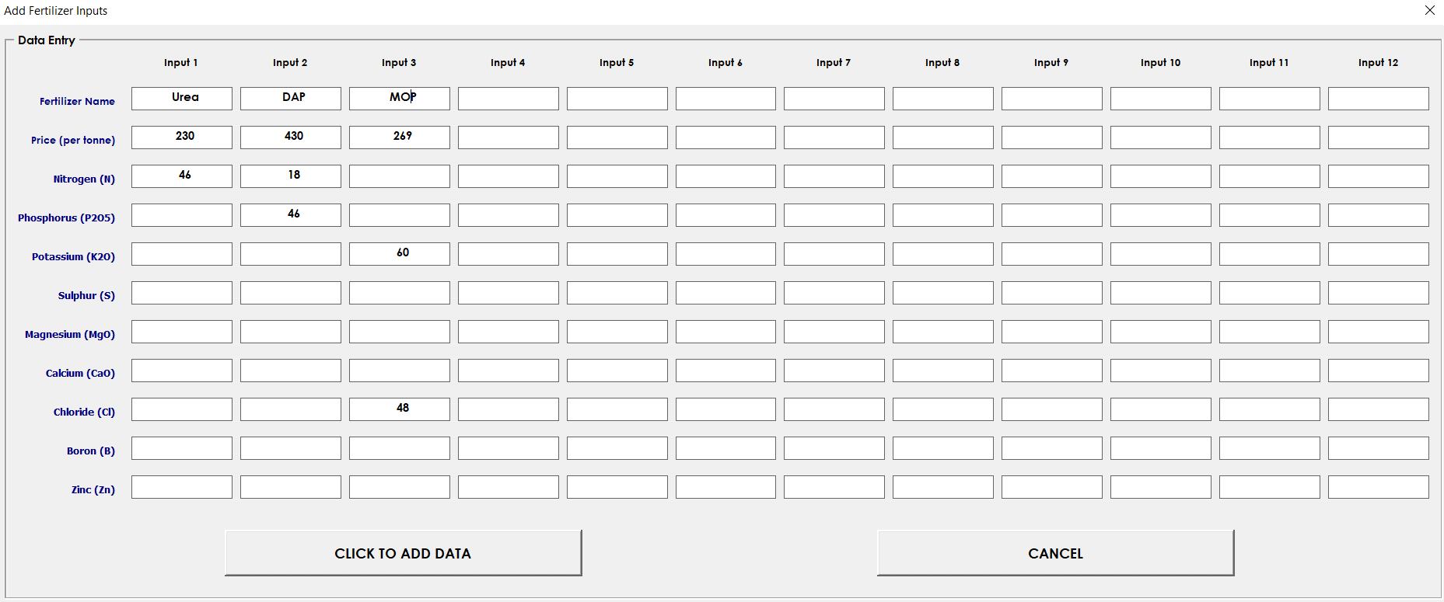
Model developed by: Kwadjo Ahodo, PhD
Date: 27 March 2018

This model optimizes fertilizer cost using linear programming approach to select fertilizer inputs, which generate the least cost
The model allows users to enter fertilizer inputs, enter fertilizer prices to formulate an NPK blend of choice
Note: Before running the model, make sure Solver is activated and Macro or Content is enabled

Instruction for Users
1. Click on the Click To Add Inputs button to open the Add Fertilizer Inputs form (see picture on the right)
2. Enter blend inputs (fertiliser types), their prices and nutrient content as demonstrated in the picture on the right
3. Enter nutirent contenets of fertiliser types using the Click To Add Inputs button and Add Fertilizer Inputs form on the right
4. Enter the blend nutrient composition of the blend (e.g. 15:15:15+5S+2MgO+10CaO) in Cells B10 to I10
4. To put limitation on the sulphur, magnesium, calcium and chloride amounts, use Cells C13, F13, I13 and L13 & M13 respectively
6. Click Run Model button to run the model

Notes:
1. The Reset Model button resets the model by deleing the generated results
2. The Reset NPK Inputs button resets the model by deleing all added fertilizer inputs, prices and nutrient contents.


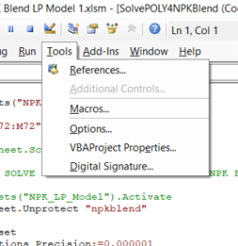
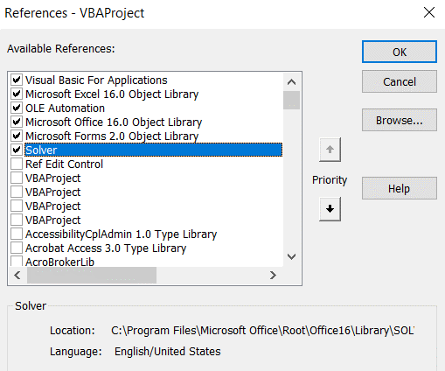
Activating Solver | Activating Solver
1. Click on the Developer tab
2. Click on the View Code tab to open Visual Basic for Applications
3. Click on the Tools tab as shown on the right
4. On the Tools menu box, Click on the References tab as shown on the right, to open the References - VBAProject menu
5. Look for Solver and check (tick) the box next to it. Click OK to activate Solver

Go To Model

 |  | #REF!

 |  |  | #REF! | #REF! | #REF! | #REF! | #REF! | #REF! | #REF! | #REF! | #REF! | #REF! | Total Input (%)

 |  | Standard Blend Option 1 | #REF! | #REF! | #REF! | #REF! | #REF! | #REF! | #REF! | #REF! | #REF! | #REF! | #REF!
 |  |  |  |  |  |  |  |  |  |  |  |  | Blend Price ($/t)
 |  |  | N | P2O5 | K2O | S | MgO | CaO | B | Zn | Mn | Cl | #REF!
 |  |  | #REF! | #REF! | #REF! | #REF! | #REF! | #REF! | #REF! | #REF! | #REF! | #REF!

 |  |  | #REF! | #REF! | #REF! | #REF! | #REF! | #REF! | #REF! | #REF! | #REF! | #REF! | Total Input (%)

 |  | POLY4 Blend Option 1 | #REF! | #REF! | #REF! | #REF! | #REF! | #REF! | #REF! | #REF! | #REF! | #REF! | #REF!
 |  |  |  |  |  |  |  |  |  |  |  |  | Blend Price ($/t) | Breakeven Price
 |  |  | N | P2O5 | K2O | S | MgO | CaO | B | Zn | Mn | Cl | #REF!
 |  |  | #REF! | #REF! | #REF! | #REF! | #REF! | #REF! | #REF! | #REF! | #REF! | #REF!

 |  |  | #REF! | #REF! | #REF! | #REF! | #REF! | #REF! | #REF! | #REF! | #REF! | #REF! | Total Input (%)

 |  | Standard Blend Option 2 | #REF! | #REF! | #REF! | #REF! | #REF! | #REF! | #REF! | #REF! | #REF! | #REF! | #REF!
 |  |  |  |  |  |  |  |  |  |  |  |  | Blend Price ($/t)
 |  |  | N | P2O5 | K2O | S | MgO | CaO | B | Zn | Mn | Cl | #REF!
 |  |  | #REF! | #REF! | #REF! | #REF! | #REF! | #REF! | #REF! | #REF! | #REF! | #REF!

 |  |  | #REF! | #REF! | #REF! | #REF! | #REF! | #REF! | #REF! | #REF! | #REF! | #REF! | Total Input (%)

 |  | POLY4 Blend Option 2 | #REF! | #REF! | #REF! | #REF! | #REF! | #REF! | #REF! | #REF! | #REF! | #REF! | #REF!
 |  |  |  |  |  |  |  |  |  |  |  |  | Blend Price ($/t) | Breakeven Price
 |  |  | N | P2O5 | K2O | S | MgO | CaO | B | Zn | Mn | Cl | #REF!
 |  |  | #REF! | #REF! | #REF! | #REF! | #REF! | #REF! | #REF! | #REF! | #REF! | #REF!

 |  |  | #REF! | #REF! | #REF! | #REF! | #REF! | #REF! | #REF! | #REF! | #REF! | #REF! | Total Input (%)

 |  | Standard Blend Option 3 | #REF! | #REF! | #REF! | #REF! | #REF! | #REF! | #REF! | #REF! | #REF! | #REF! | #REF!
 |  |  |  |  |  |  |  |  |  |  |  |  | Blend Price ($/t)
 |  |  | N | P2O5 | K2O | S | MgO | CaO | B | Zn | Mn | Cl | #REF! | #REF!
 |  |  | #REF! | #REF! | #REF! | #REF! | #REF! | #REF! | #REF! | #REF! | #REF! | #REF!

 |  |  | #REF! | #REF! | #REF! | #REF! | #REF! | #REF! | #REF! | #REF! | #REF! | #REF! | Total Input (%)

 |  | POLY4 Blend Option 3 | #REF! | #REF! | #REF! | #REF! | #REF! | #REF! | #REF! | #REF! | #REF! | #REF! | #REF!
 |  |  |  |  |  |  |  |  |  |  |  |  | Blend Price ($/t) | Breakeven Price
 |  |  | N | P2O5 | K2O | S | MgO | CaO | B | Zn | Mn | Cl | #REF!
 |  |  | #REF! | #REF! | #REF! | #REF! | #REF! | #REF! | #REF! | #REF! | #REF! | #REF!

 |  | Blend: 15:15:15

 |  | MODEL RESULTS
 |  | FERTILIZER INPUT PROPORTIONS (%)
 |  | Urea | DAP | MOP | Filler |  |  |  |  |  |  |  |  | Total
 |  | 20% | 33% | 25% | 23% |  |  |  |  |  |  |  |  | 100%

 |  | BLEND COST/PRICE
 |  | Estimated Blend Cost/Price (Per Tonne) |  |  |  |  |  | 257

 |  | NUTRIENTS ACHIEVED (%)
 |  | N | P2O5 | K2O | S | MgO | CaO | B | Zn | Cl
 |  | 15 | 15 | 15 |  |  |  |  |  | 12.0

NPK LP Model
NPK BLEND MODEL

Click To Add Inputs
BLEND INPUTS & PRICES
Input 1 | Input 2 | Input 3 | Input 4 | Input 5 | Input 6 | Input 7 | Input 8 | Input 9 | Input 10 | Input 11 | Input 12
Urea | DAP | MOP | Filler
250 | 430 | 270

BLEND NUTRIENT COMPOSITION
N | P2O5 | K2O | S | MgO | CaO | B | Zn
15 | 15 | 15

NUTRIENT LEVEL LIMITS
Sulphur Level | Greater Than |  | Magnesium Level | Greater Than |  | Calcium Level | Greater Than |  | Chloride Level | Greater Than | 0

Run Model
Print Results
Reset Model
Reset NPK Inputs

MODEL RESULTS
SELECTED FERTILIZER INPUT PROPORTIONS (%)
Urea | DAP | MOP | Filler |  |  |  |  |  |  |  |  | Total
20% | 33% | 25% | 23% |  |  |  |  |  |  |  |  | 100%

BLEND COST/PRICE
Estimated Blend Cost/Price (Per Tonne) |  |  | 257

NUTRIENTS ACHIEVED
N | P2O5 | K2O | S | MgO | CaO | B | Zn | Cl
15 | 15 | 15 |  |  |  |  |  | 12.0

